01_Home

 | 0
01_Home | Desktop | With Cache
 |  | Without Cache
 | Mobile | With Cache
 |  | Without Cache

Best Insight
URL: | 0
Diagnostic: | Defer offscreen images
Recommendation: | Learn how to defer offscreen images

Worst Insight
URL: | 0
Diagnostic: | Eliminate render-blocking resources — Est savings of 1,380 ms
Recommendation: | Learn how to eliminate render-blocking resources

02_Testing
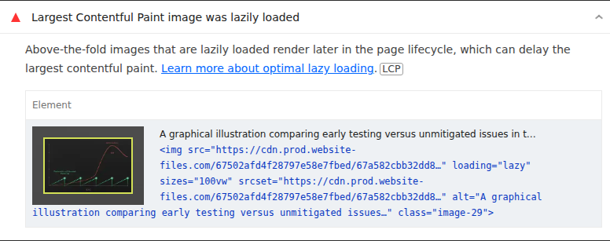
 | 0
02_Testing | Desktop | With Cache
 |  | Without Cache
 | Mobile | With Cache
 |  | Without Cache

Best Insight
URL: | 0
Diagnostic: | Defer offscreen images
Recommendation: | Learn how to defer offscreen images

Worst Insight
URL: | 0
Diagnostic: | Largest Contentful Paint image was lazily loaded
Recommendation: | Learn more about optimal lazy loading

03_About

 | 0
03_About | Desktop | With Cache
 |  | Without Cache
 | Mobile | With Cache
 |  | Without Cache

Best Insight
URL: | 0
Diagnostic: | Properly size images
Recommendation: | Learn how to size images

Worst Insight
URL: | 0
Diagnostic: | Eliminate render-blocking resources — Est savings of 1,360 ms
Recommendation: | Learn how to eliminate render-blocking resources

04_News
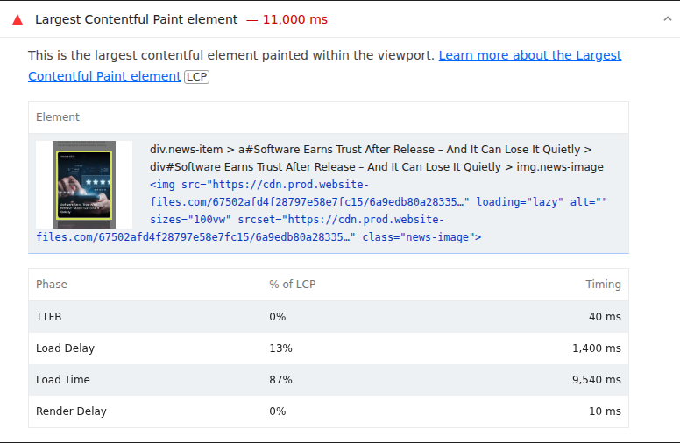
 | 0
04_News | Desktop | With Cache
 |  | Without Cache
 | Mobile | With Cache
 |  | Without Cache

Best Insight
URL: | 0
Diagnostic: | Defer offscreen images
Recommendation: | Learn how to defer offscreen images

Worst Insight
URL: | 0
Diagnostic: | Largest Contentful Paint element — 11,000 ms
Recommendation: | Learn more about the Largest Contentful Paint element

05_Careers
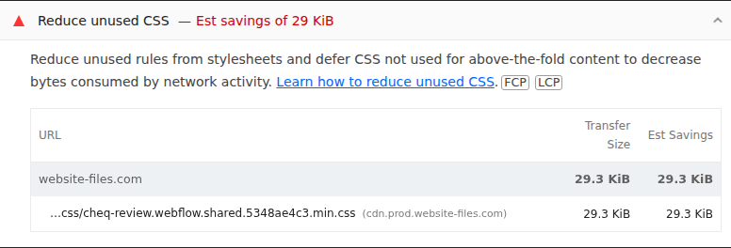
 | 0
05_Careers | Desktop | With Cache
 |  | Without Cache
 | Mobile | With Cache
 |  | Without Cache

Best Insight
URL: | 0
Diagnostic: | Defer offscreen images
Recommendation: | Learn how to defer offscreen images

Worst Insight
URL: | 0
Diagnostic: | Reduce unused CSS — Est savings of 29 KiB
Recommendation: | Learn how to reduce unused CSS

06_Contact
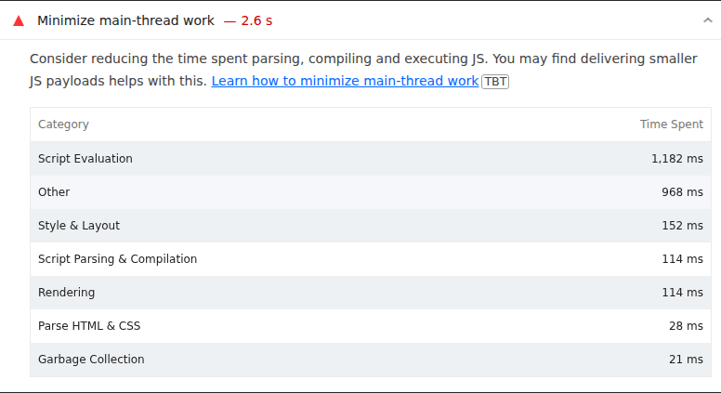
 | 0
06_Contact | Desktop | With Cache
 |  | Without Cache
 | Mobile | With Cache
 |  | Without Cache

Best Insight
URL: | 0
Diagnostic: | Defer offscreen images
Recommendation: | Learn how to defer offscreen images

Worst Insight
URL: | 0
Diagnostic: | Minimize main-thread work — 2.6 s
Recommendation: | Learn how to minimize main-thread work

07_Privacy
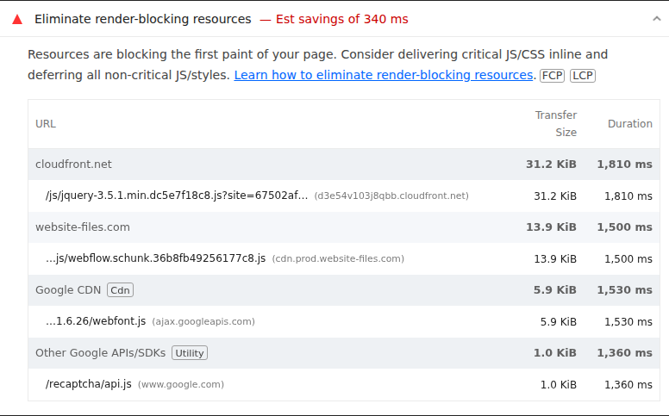
 | 0
07_Privacy | Desktop | With Cache
 |  | Without Cache
 | Mobile | With Cache
 |  | Without Cache

Best Insight
URL: | 0
Diagnostic: | Properly size images
Recommendation: | Learn how to size images

Worst Insight
URL: | 0
Diagnostic: | Eliminate render-blocking resources — Est savings of 340 ms
Recommendation: | Learn how to eliminate render-blocking resources

08_Game Testing
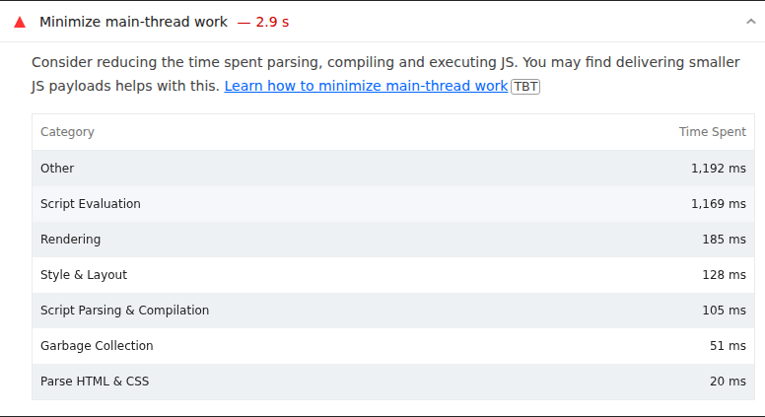
 | 0
08_Game Testing | Desktop | With Cache
 |  | Without Cache
 | Mobile | With Cache
 |  | Without Cache

Best Insight
URL: | 0
Diagnostic: | Defer offscreen images
Recommendation: | Learn how to defer offscreen images

Worst Insight
URL: | 0
Diagnostic: | Minimize main-thread work — 2.9 s
Recommendation: | Learn how to minimize main-thread work

